SUMMARY
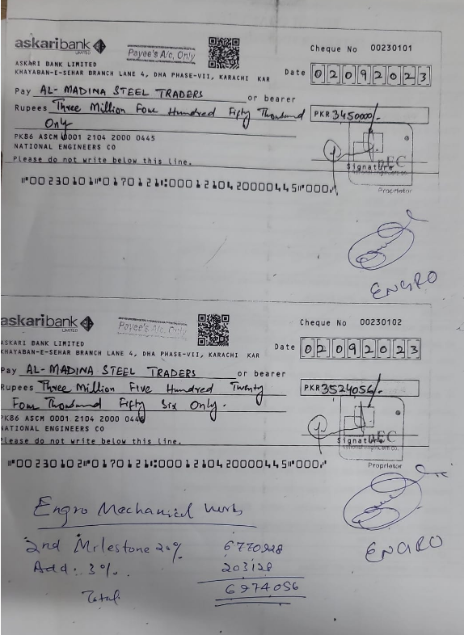
NATIONAL ENGINEERS CO.
ENGRO OFFICE, THF, KHI
SUMMARY OF AMOUNT

S.NO | DESCRIPTION | AMOUNT
 | PLUMBING
3 | 19THA FLOOR
4 | 19THB FLOOR
 | SUB-TOTAL | 0
 | HVAC
3 | 19THA FLOOR | 12,572,053
4 | 19THB FLOOR | 9,204,775
 | SUB-TOTAL | 21,776,828
 | FIRE
3 | 19THA FLOOR | 4,836,113
4 | 19THB FLOOR | 6,491,420
 | SUB-TOTAL | 11,327,533
 | GRAND TOTAL AMOUNT | 33,104,362

